outer and inner grooves
Outer and inner grooves
on the circumference |  | Outer
 |  | R | 224.0661 |  |  | R | 213.8299
 |  | X | Y | coordins | R check | X | Y | coordins | R check
0 | -360 | 224.0661 | 0 | (224.066,0), | 224.0661 | 213.8299 | 0 | (213.83,0), | 213.8299
30 | -330 | 194.04693473 | 112.03305 | (194.047,112.033), | 224.0661 | 185.18212549 | 106.91495 | (185.182,106.915), | 213.8299
60 | -300 | 112.03305 | 194.04693473 | (112.033,194.047), | 224.0661 | 106.91495 | 185.18212549 | (106.915,185.182), | 213.8299
90 | -270 | 1.3720091608E-14 | 224.0661 | (0,224.066), | 224.0661 | 1.309330513E-14 | 213.8299 | (0,213.83), | 213.8299
120 | -240 | -112.03305 | 194.04693473 | (-112.033,194.047), | 224.0661 | -106.91495 | 185.18212549 | (-106.915,185.182), | 213.8299
150 | -210 | -194.04693473 | 112.03305 | (-194.047,112.033), | 224.0661 | -185.18212549 | 106.91495 | (-185.182,106.915), | 213.8299
180 | -180 | -224.0661 | 2.7440183216E-14 | (-224.066,0), | 224.0661 | -213.8299 | 2.618661026E-14 | (-213.83,0), | 213.8299
210 | -150 | -194.04693473 | -112.03305 | (-194.047,-112.033), | 224.0661 | -185.18212549 | -106.91495 | (-185.182,-106.915), | 213.8299
240 | -120 | -112.03305 | -194.04693473 | (-112.033,-194.047), | 224.0661 | -106.91495 | -185.18212549 | (-106.915,-185.182), | 213.8299
270 | -90 | -4.1160274824E-14 | -224.0661 | (0,-224.066), | 224.0661 | -3.927991539E-14 | -213.8299 | (0,-213.83), | 213.8299
300 | -60 | 112.03305 | -194.04693473 | (112.033,-194.047), | 224.0661 | 106.91495 | -185.18212549 | (106.915,-185.182), | 213.8299
330 | -30 | 194.04693473 | -112.03305 | (194.047,-112.033), | 224.0661 | 185.18212549 | -106.91495 | (185.182,-106.915), | 213.8299
360 | 0 | 224.0661 | -5.4880366432E-14 | (224.066,0), | 224.0661 | 213.8299 | -5.2373220519E-14 | (213.83,0), | 213.8299

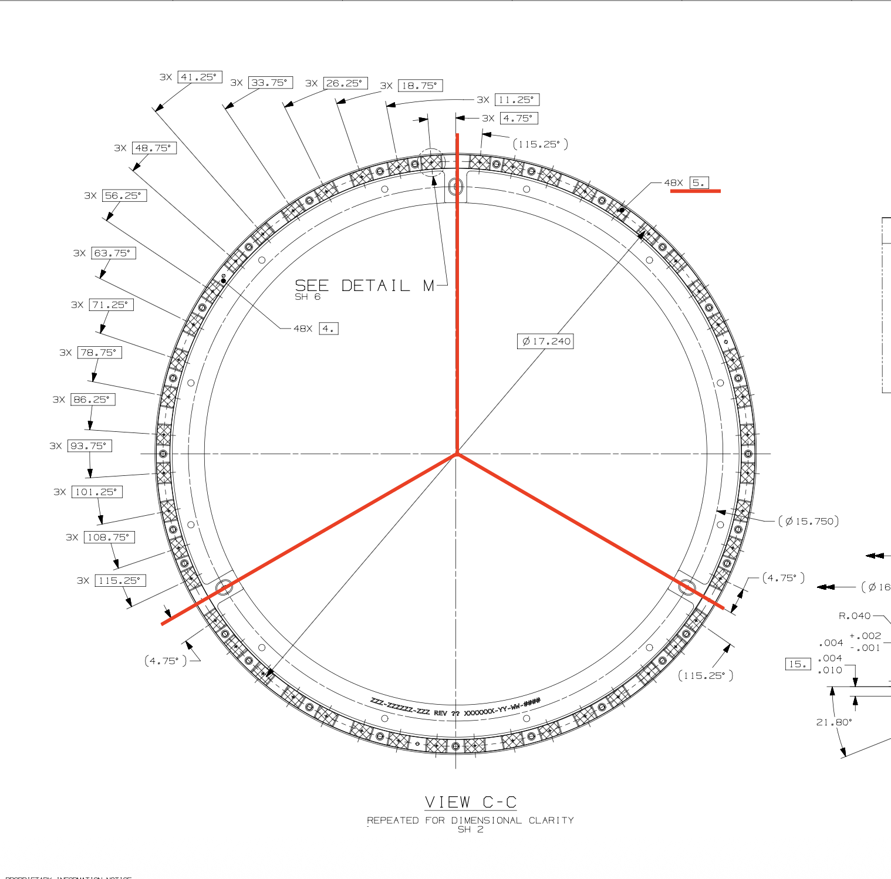

 |  |  |  |  |  |  |  |  |  |  |  |  | top | Bottom
 |  |  |  |  |  |  |  |  |  | upper | s3-1 | s1-16 | upper | lower
 |  |  |  |  |  |  |  |  |  |  | 205.75 | 334.75 | -30 | 150
 |  |  |  |  |  |  |  |  |  |  | -154.25 | -25.25 | 0 | 180
 |  |  |  |  |  |  |  |  |  |  |  |  | 45 | 225
 |  |  |  |  |  |  |  |  |  | lower | s3-9 | s1-8 | 90 | 270
 |  |  |  |  |  |  |  |  |  |  | 146.25 | 33.75 | 135 | 315
 |  |  |  |  |  |  |  |  |  |  |  |  | 180 | 0
 |  |  |  |  |  |  |  |  |  |  |  |  | 210 | 30

 |  |  |  |  |  |  |  |  |  |  |  |  | -30,0,45,90,135,180,210 | 150, 180, 225, 270, 315, 0, 30

